CS Pricing
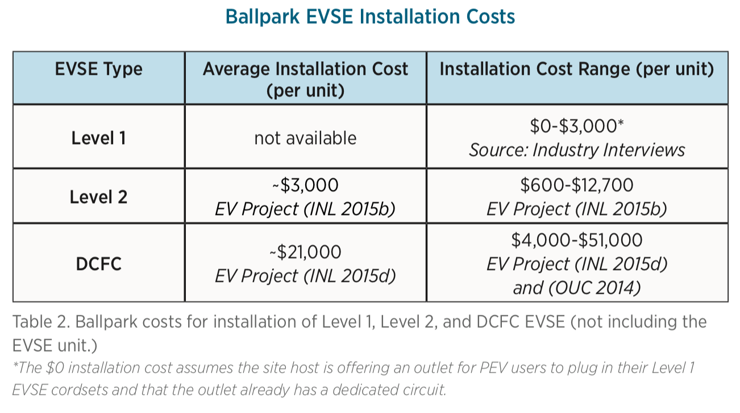

LEVEL 2

Installation | $3,000.00
Chargepoint CT4013 | $3,990.00
TOTAL | $6,990.00

LEVEL 3

Installation | $21,000.00
Chargepoint CPE200 | $35,800.00
TOTAL | $56,800.00

